Flujo Máximo
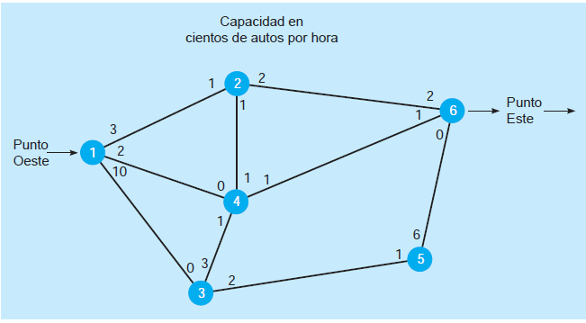
 | Variables
 |  | Xij= Flujo de nodo i al nodo j

 | Max Z = Xmax

 | Sujeto a,
 |  |  |  |  |  | X12 | X14 | X13 | X21 | X41 | X31 | X26 | X24 | X43 | X46 | X62 | X64 | X34 | X35 | X53 | X56 | X65 | X42 | XMAX
 | X12 ≤ 3 | X26 ≤ 2 | X34 ≤ 3 |  | Variables | 0 | 2 | 3 | 1 | 0 | 0 | 2 | 0 | 1 | 1 | 2 | 1 | 0 | 2 | 0 | 2 | 0 | 1 | 5 | Z
 | X14 ≤ 2 | X24 ≤ 1 | X35 ≤ 2 |  | FO | 0 | 0 | 0 | 0 | 0 | 0 | 0 | 0 | 0 | 0 | 0 | 0 | 0 | 0 | 0 | 0 | 0 | 0 | 1 | 5
 | X13 ≤ 10 | X43 ≤ 1 | X53 ≤ 1 |  |  | 1 |  |  |  |  |  |  |  |  |  |  |  |  |  |  |  |  |  |  | 0 | ≤ | 3
 | X21 ≤ 1 | X46 ≤ 1 | X56 ≤ 6 |  |  |  | 1 |  |  |  |  |  |  |  |  |  |  |  |  |  |  |  |  |  | 2 | ≤ | 2
 | X41 ≤ 0 | X62 ≤ 2 | X65 ≤ 0 |  |  |  |  | 1 |  |  |  |  |  |  |  |  |  |  |  |  |  |  |  |  | 3 | ≤ | 10
 | X31 ≤ 0 | X64 ≤ 1 | X42 ≤ 1 |  |  |  |  |  | 1 |  |  |  |  |  |  |  |  |  |  |  |  |  |  |  | 1 | ≤ | 1
Blance nodo 1 | Xmax = X12 +X13 +X14 |  | ===> | Xmax - X12 -X13 -X14 =0 |  |  |  |  |  | 1 |  |  |  |  |  |  |  |  |  |  |  |  |  |  | 0 | ≤ | 0
Balance nodo 2 | X12 +X42 +X62 = X21 +X24 +X26 |  |  | X12 +X42 +X62 - X21 -X24 -X26 =0 |  |  |  |  |  |  | 1 |  |  |  |  |  |  |  |  |  |  |  |  |  | 0 | ≤ | 0
Balance nodo 3 | X13 +X43 +X53 = X31 +X34 +X35 |  |  | X13 +X43 +X53 - X31 -X34 -X35 =0 |  |  |  |  |  |  |  | 1 |  |  |  |  |  |  |  |  |  |  |  |  | 2 | ≤ | 2
Balance nodo 4 | X14 +X24 +X34 +X64 = X41 +X42 +X43 +X46 |  |  | X14 +X24 +X34 +X64 -X41 -X42 -X43 -X46 =0 |  |  |  |  |  |  |  |  | 1 |  |  |  |  |  |  |  |  |  |  |  | 0 | ≤ | 1
Balance nodo 5 | X35 +X65 = X35 +X56 |  |  | X35 +X65 -X35 -X56 =0 |  |  |  |  |  |  |  |  |  | 1 |  |  |  |  |  |  |  |  |  |  | 1 | ≤ | 1
Balance nodo 6 | Xmax = X26 +X46 +X56 |  |  | Xmax - X26 - X46 -X56 =0 |  |  |  |  |  |  |  |  |  |  | 1 |  |  |  |  |  |  |  |  |  | 1 | ≤ | 1
 | Xij ≥ 0 ꓯ i,j |  |  | Xij ≥ 0 ꓯ i,j |  |  |  |  |  |  |  |  |  |  |  | 1 |  |  |  |  |  |  |  |  | 2 | ≤ | 2
 |  |  |  |  |  |  |  |  |  |  |  |  |  |  |  |  | 1 |  |  |  |  |  |  |  | 1 | ≤ | 1
 |  |  |  |  |  |  |  |  |  |  |  |  |  |  |  |  |  | 1 |  |  |  |  |  |  | 0 | ≤ | 3
 |  |  |  |  |  |  |  |  |  |  |  |  |  |  |  |  |  |  | 1 |  |  |  |  |  | 2 | ≤ | 2
 |  |  |  |  |  |  |  |  |  |  |  |  |  |  |  |  |  |  |  | 1 |  |  |  |  | 0 | ≤ | 1
 |  |  |  |  |  |  |  |  |  |  |  |  |  |  |  |  |  |  |  |  | 1 |  |  |  | 2 | ≤ | 6
 |  |  |  |  |  |  |  |  |  |  |  |  |  |  |  |  |  |  |  |  |  | 1 |  |  | 0 | ≤ | 0
 |  |  |  |  |  |  |  |  |  |  |  |  |  |  |  |  |  |  |  |  |  |  | 1 |  | 1 | ≤ | 1
 |  |  |  | Xmax - X12 -X13 -X14 =0 |  | -1 | -1 | -1 |  |  |  |  |  |  |  |  |  |  |  |  |  |  |  | 1 | 0 | = | 0
 |  |  |  | X12 +X42 +X62 - X21 -X24 -X26 =0 |  | 1 |  |  | -1 |  |  | -1 | -1 |  |  | 1 |  |  |  |  |  |  | 1 |  | 0 | = | 0
 |  |  |  | X13 +X43 +X53 - X31 -X34 -X35 =0 |  |  |  |  | 1 |  | -1 |  |  | 1 |  |  |  | -1 | -1 | 1 |  |  |  |  | 0 | = | 0
 |  |  |  | X14 +X24 +X34 +X64 -X41 -X42 -X43 -X46 =0 |  |  | 1 |  |  | -1 |  |  | 1 | -1 | -1 |  | 1 | 1 |  |  |  |  | -1 |  | 0 | = | 0
 |  |  |  | X35 +X65 -X53 -X56 =0 |  |  |  |  |  |  |  |  |  |  |  |  |  |  | 1 | -1 | -1 | 1 |  |  | 0 | = | 0
 |  |  |  | Xmax - X26 - X46 -X56 =0 |  |  |  |  |  |  |  | -1 |  |  | -1 |  |  |  |  |  | -1 |  |  | 1 | 0 | = | 0
 |  |  |  | Xij ≥ 0 ꓯ i,j

Ruta más corta
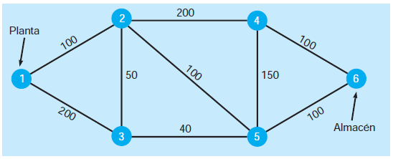
Variables
Xij= Distancia del nodo i al nodo j

Min Z = 100X12 + 200X13 + 50X23 +50X32+ 200X24 + 100X25+ 40X35 + 150X45 + 100X46 + 150X54+ 100X56

Sujeto a;

X12 + X13 =1
X12 + X32 = X23 +X24 + X25 |  |  | ===> | X12 + X32 - X23 -X24 - X25 = 0
X13 + X23 - X32 - X35 = 0
X24 +X54 -X46 - X45 = 0
X35 + X25 + X45 -X54 - X56 = 0
X46 + X56 = 1
Xij ≥ 0 ꓯ i,j

 | X12 | X13 | X23 | X32 | X24 | X25 | X35 | X45 | X46 | X54 | X56
Variables | 1 | 0 | 1 | 0 | 0 | 0 | 1 | 0 | 0 | 0 | 1 | Z
F.O. | 100 | 200 | 50 | 50 | 200 | 100 | 40 | 150 | 100 | 150 | 100 | 290

Nodo 1 | 1 | 1 |  |  |  |  |  |  |  |  |  | 1 | = | 1
Nodo 2 | 1 |  | -1 | 1 | -1 | -1 |  |  |  |  |  | 0 | = | 0
Nodo 3 |  | 1 | 1 | -1 |  |  | -1 |  |  |  |  | 0 | = | 0
Nodo 4 |  |  |  |  | 1 |  |  | -1 | -1 | 1 |  | 0 | = | 0
Nodo 5 |  |  |  |  |  | 1 | 1 | 1 |  | -1 | -1 | 0 | = | 0
Nodo 6 |  |  |  |  |  |  |  |  | 1 |  | 1 | 1 | = | 1

